Data Martha
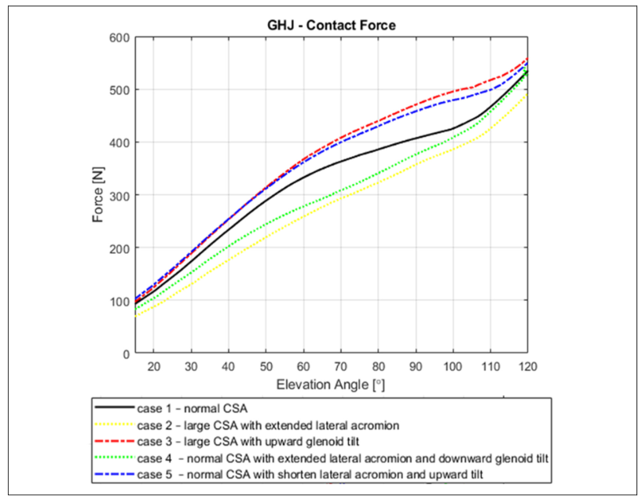
Marta - Case 1 - Normal CSA |  | Marta - Case 2 - large CSA with extended lateral acromion |  | Marta - Case 3 - large CSA with upward gleniod tilt |  | Marta - Case 4 - Normal CSA with extended lateral acromion and downward glenoid tilt |  | Marta - Case 5 - Normal CSA with shorten lateral acromion and upward tilt
Elevation angle | Force | Elevation angle | Force | Elevation angle | Force | Elevation angle | Force | Elevation angle | Force
15.117318436 | 93.593314763 | 15 | 68.52367688 | 15.117318436 | 96.935933148 | 15 | 82.614742698 | 15 | 103.47705146
17.932960894 | 106.9637883 | 17.229050279 | 76.044568245 | 17.463687151 | 109.47075209 | 17.586786114 | 93.463143255 | 18.057110862 | 120.16689847
19.927374302 | 116.99164345 | 19.927374302 | 86.908077994 | 19.927374302 | 122.84122563 | 20.055991041 | 104.31154381 | 19.232922732 | 126.84283727
22.625698324 | 131.19777159 | 23.212290503 | 99.442896936 | 23.094972067 | 142.89693593 | 23.348264278 | 119.33240612 | 21.349384099 | 138.52573018
24.854748603 | 143.73259053 | 26.379888268 | 113.64902507 | 26.966480447 | 167.96657382 | 26.40537514 | 136.02225313 | 23.230683091 | 150.20862309
26.849162011 | 155.43175487 | 30.251396648 | 128.6908078 | 30.134078212 | 188.85793872 | 30.050391937 | 152.71210014 | 26.170212766 | 166.8984701
28.843575419 | 167.96657382 | 33.184357542 | 144.56824513 | 32.245810056 | 202.22841226 | 33.577827548 | 171.9054242 | 28.992161254 | 185.25730181
30.251396648 | 175.48746518 | 36.117318436 | 157.10306407 | 34.592178771 | 218.10584958 | 36.870100784 | 186.92628651 | 30.167973124 | 193.60222531
32.480446927 | 188.85793872 | 39.988826816 | 175.48746518 | 37.877094972 | 240.66852368 | 40.044792833 | 201.94714882 | 31.696528555 | 202.78164117
34.357541899 | 200.55710306 | 42.687150838 | 187.18662953 | 40.106145251 | 254.87465181 | 44.277715566 | 221.97496523 | 34.636058231 | 222.80945758
36.586592179 | 213.9275766 | 45.972067039 | 200.55710306 | 42.569832402 | 268.24512535 | 46.746920493 | 231.15438108 | 37.928331467 | 243.67176634
38.346368715 | 225.62674095 | 49.843575419 | 218.10584958 | 45.38547486 | 285.79387187 | 50.039193729 | 244.50625869 | 39.927211646 | 254.5201669
40.106145251 | 233.98328691 | 53.597765363 | 233.14763231 | 47.731843575 | 300 | 53.684210526 | 258.69262865 | 42.631578947 | 272.04450626
42.921787709 | 251.53203343 | 57.703910615 | 249.86072423 | 50.195530726 | 313.37047354 | 57.329227324 | 270.37552156 | 45.571108623 | 287.89986092
45.268156425 | 264.90250696 | 60.284916201 | 258.21727019 | 53.715083799 | 333.42618384 | 59.916013438 | 277.88595271 | 49.21612542 | 307.92767733
47.61452514 | 276.60167131 | 63.921787709 | 271.58774373 | 57.117318436 | 351.81058496 | 64.266517357 | 289.56884562 | 51.450167973 | 318.77607789
49.960893855 | 288.30083565 | 66.972067039 | 281.61559889 | 60.284916201 | 368.52367688 | 67.088465845 | 299.58275382 | 55.212765957 | 340.472879
52.659217877 | 301.67130919 | 70.139664804 | 290.80779944 | 64.156424581 | 385.2367688 | 70.027995521 | 308.76216968 | 58.505039194 | 353.82475661
55.474860335 | 315.04178273 | 72.955307263 | 300 | 67.675977654 | 399.44289694 | 73.20268757 | 318.77607789 | 59.798432251 | 361.33518776
57.938547486 | 325.06963788 | 76.826815642 | 311.69916435 | 70.139664804 | 408.63509749 | 76.847704367 | 329.62447844 | 63.913773796 | 378.02503477
60.284916201 | 334.26183844 | 79.994413408 | 321.7270195 | 74.12849162 | 422.00557103 | 80.257558791 | 341.30737135 | 67.911534155 | 393.04589708
63.217877095 | 344.28969359 | 83.865921788 | 335.93314763 | 77.765363128 | 432.03342618 | 82.961926092 | 351.32127955 | 69.910414334 | 399.72183588
66.38547486 | 352.64623955 | 87.38547486 | 346.79665738 | 80.111731844 | 440.38997214 | 85.548712206 | 361.33518776 | 74.966405375 | 415.57719054
70.139664804 | 363.5097493 | 90.318435754 | 356.82451253 | 84.921787709 | 454.59610028 | 88.13549832 | 370.51460362 | 78.376259798 | 424.7566064
73.424581006 | 372.70194986 | 93.837988827 | 369.35933148 | 88.324022346 | 466.29526462 | 90.134378499 | 376.35605007 | 80.139977604 | 431.4325452
76.709497207 | 380.22284123 | 97.357541899 | 377.71587744 | 90.083798883 | 471.3091922 | 93.544232923 | 388.03894298 | 83.784994401 | 442.28094576
80.111731844 | 386.90807799 | 100.29050279 | 385.2367688 | 93.837988827 | 480.50139276 | 97.894736842 | 401.39082058 | 85.548712206 | 447.28789986
83.748603352 | 395.26462396 | 104.63128492 | 400.27855153 | 97.357541899 | 489.69359331 | 100.36394177 | 410.57023644 | 88.840985442 | 455.63282337
87.150837989 | 401.94986072 | 107.44692737 | 412.81337047 | 100.05586592 | 496.37883008 | 103.89137738 | 423.0876217 | 91.427771557 | 462.30876217
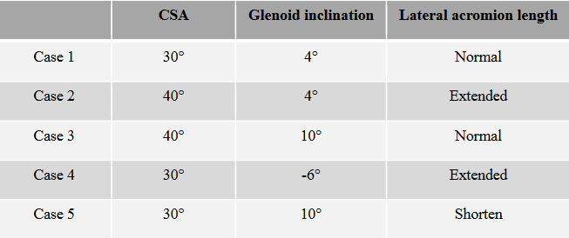
90.201117318 | 407.7994429 | 110.02793296 | 424.51253482 | 103.81005587 | 502.22841226 | 106.47816349 | 435.60500695 | 95.072788354 | 470.65368567
92.782122905 | 413.64902507 | 112.84357542 | 442.06128134 | 108.26815642 | 513.09192201 | 108.59462486 | 449.79137691 | 98.600223964 | 477.32962448
95.715083799 | 418.66295265 | 115.30726257 | 457.93871866 | 110.02793296 | 518.10584958 | 110.12318029 | 458.13630042 | 100.1287794 | 479.83310153
98.17877095 | 422.84122563 | 117.53631285 | 473.81615599 | 112.25698324 | 523.95543175 | 112.12206047 | 472.32267038 | 104.24412094 | 486.50904033
100.17318436 | 427.01949861 | 120 | 489.69359331 | 115.54189944 | 535.6545961 | 114.23852184 | 487.34353268 | 107.41881299 | 492.35048679
102.63687151 | 435.37604457 |  |  | 117.88826816 | 548.18941504 | 116.23740202 | 501.52990264 | 110.24076148 | 499.86091794
105.5698324 | 446.23955432 |  |  | 120 | 558.21727019 | 117.64837626 | 511.54381085 | 113.53303471 | 514.0472879
108.26815642 | 457.93871866 |  |  |  |  | 118.82418813 | 521.55771905 | 116.3549832 | 528.23365786
110.1452514 | 469.63788301 |  |  |  |  | 119.0593505 | 530.73713491 | 117.88353863 | 536.57858136
112.49162011 | 482.17270195 |  |  |  |  | 119.29451288 | 541.58553547 | 119.88241881 | 549.93045897
114.95530726 | 498.88579387 |  |  |  |  | 120 | 529.06815021
117.06703911 | 516.43454039
120 | 534.8189415

Graph
Force de contact - Étude Martha
 | Marta - Case 1 - Normal CSA |  | Marta - Case 2 - large CSA with extended lateral acromion |  | Marta - Case 3 - large CSA with upward gleniod tilt |  | Marta - Case 4 - Normal CSA with extended lateral acromion and downward glenoid tilt |  | Marta - Case 5 - Normal CSA with shorten lateral acromion and upward tilt
15.117318436 | 93.593314763 | 15 | 68.52367688 | 15.117318436 | 96.935933148 | 15 | 82.614742698 | 15 | 103.47705146
17.932960894 | 106.9637883 | 17.229050279 | 76.044568245 | 17.463687151 | 109.47075209 | 17.586786114 | 93.463143255 | 18.057110862 | 120.16689847
19.927374302 | 116.99164345 | 19.927374302 | 86.908077994 | 19.927374302 | 122.84122563 | 20.055991041 | 104.31154381 | 19.232922732 | 126.84283727
22.625698324 | 131.19777159 | 23.212290503 | 99.442896936 | 23.094972067 | 142.89693593 | 23.348264278 | 119.33240612 | 21.349384099 | 138.52573018
24.854748603 | 143.73259053 | 26.379888268 | 113.64902507 | 26.966480447 | 167.96657382 | 26.40537514 | 136.02225313 | 23.230683091 | 150.20862309
26.849162011 | 155.43175487 | 30.251396648 | 128.6908078 | 30.134078212 | 188.85793872 | 30.050391937 | 152.71210014 | 26.170212766 | 166.8984701
28.843575419 | 167.96657382 | 33.184357542 | 144.56824513 | 32.245810056 | 202.22841226 | 33.577827548 | 171.9054242 | 28.992161254 | 185.25730181
30.251396648 | 175.48746518 | 36.117318436 | 157.10306407 | 34.592178771 | 218.10584958 | 36.870100784 | 186.92628651 | 30.167973124 | 193.60222531
32.480446927 | 188.85793872 | 39.988826816 | 175.48746518 | 37.877094972 | 240.66852368 | 40.044792833 | 201.94714882 | 31.696528555 | 202.78164117
34.357541899 | 200.55710306 | 42.687150838 | 187.18662953 | 40.106145251 | 254.87465181 | 44.277715566 | 221.97496523 | 34.636058231 | 222.80945758
36.586592179 | 213.9275766 | 45.972067039 | 200.55710306 | 42.569832402 | 268.24512535 | 46.746920493 | 231.15438108 | 37.928331467 | 243.67176634
38.346368715 | 225.62674095 | 49.843575419 | 218.10584958 | 45.38547486 | 285.79387187 | 50.039193729 | 244.50625869 | 39.927211646 | 254.5201669
40.106145251 | 233.98328691 | 53.597765363 | 233.14763231 | 47.731843575 | 300 | 53.684210526 | 258.69262865 | 42.631578947 | 272.04450626
42.921787709 | 251.53203343 | 57.703910615 | 249.86072423 | 50.195530726 | 313.37047354 | 57.329227324 | 270.37552156 | 45.571108623 | 287.89986092
45.268156425 | 264.90250696 | 60.284916201 | 258.21727019 | 53.715083799 | 333.42618384 | 59.916013438 | 277.88595271 | 49.21612542 | 307.92767733
47.61452514 | 276.60167131 | 63.921787709 | 271.58774373 | 57.117318436 | 351.81058496 | 64.266517357 | 289.56884562 | 51.450167973 | 318.77607789
49.960893855 | 288.30083565 | 66.972067039 | 281.61559889 | 60.284916201 | 368.52367688 | 67.088465845 | 299.58275382 | 55.212765957 | 340.472879
52.659217877 | 301.67130919 | 70.139664804 | 290.80779944 | 64.156424581 | 385.2367688 | 70.027995521 | 308.76216968 | 58.505039194 | 353.82475661
55.474860335 | 315.04178273 | 72.955307263 | 300 | 67.675977654 | 399.44289694 | 73.20268757 | 318.77607789 | 59.798432251 | 361.33518776
57.938547486 | 325.06963788 | 76.826815642 | 311.69916435 | 70.139664804 | 408.63509749 | 76.847704367 | 329.62447844 | 63.913773796 | 378.02503477
60.284916201 | 334.26183844 | 79.994413408 | 321.7270195 | 74.12849162 | 422.00557103 | 80.257558791 | 341.30737135 | 67.911534155 | 393.04589708
63.217877095 | 344.28969359 | 83.865921788 | 335.93314763 | 77.765363128 | 432.03342618 | 82.961926092 | 351.32127955 | 69.910414334 | 399.72183588
66.38547486 | 352.64623955 | 87.38547486 | 346.79665738 | 80.111731844 | 440.38997214 | 85.548712206 | 361.33518776 | 74.966405375 | 415.57719054
70.139664804 | 363.5097493 | 90.318435754 | 356.82451253 | 84.921787709 | 454.59610028 | 88.13549832 | 370.51460362 | 78.376259798 | 424.7566064
73.424581006 | 372.70194986 | 93.837988827 | 369.35933148 | 88.324022346 | 466.29526462 | 90.134378499 | 376.35605007 | 80.139977604 | 431.4325452
76.709497207 | 380.22284123 | 97.357541899 | 377.71587744 | 90.083798883 | 471.3091922 | 93.544232923 | 388.03894298 | 83.784994401 | 442.28094576
80.111731844 | 386.90807799 | 100.29050279 | 385.2367688 | 93.837988827 | 480.50139276 | 97.894736842 | 401.39082058 | 85.548712206 | 447.28789986
83.748603352 | 395.26462396 | 104.63128492 | 400.27855153 | 97.357541899 | 489.69359331 | 100.36394177 | 410.57023644 | 88.840985442 | 455.63282337
87.150837989 | 401.94986072 | 107.44692737 | 412.81337047 | 100.05586592 | 496.37883008 | 103.89137738 | 423.0876217 | 91.427771557 | 462.30876217
90.201117318 | 407.7994429 | 110.02793296 | 424.51253482 | 103.81005587 | 502.22841226 | 106.47816349 | 435.60500695 | 95.072788354 | 470.65368567
92.782122905 | 413.64902507 | 112.84357542 | 442.06128134 | 108.26815642 | 513.09192201 | 108.59462486 | 449.79137691 | 98.600223964 | 477.32962448
95.715083799 | 418.66295265 | 115.30726257 | 457.93871866 | 110.02793296 | 518.10584958 | 110.12318029 | 458.13630042 | 100.1287794 | 479.83310153
98.17877095 | 422.84122563 | 117.53631285 | 473.81615599 | 112.25698324 | 523.95543175 | 112.12206047 | 472.32267038 | 104.24412094 | 486.50904033
100.17318436 | 427.01949861 | 120 | 489.69359331 | 115.54189944 | 535.6545961 | 114.23852184 | 487.34353268 | 107.41881299 | 492.35048679
102.63687151 | 435.37604457 |  |  | 117.88826816 | 548.18941504 | 116.23740202 | 501.52990264 | 110.24076148 | 499.86091794
105.5698324 | 446.23955432 |  |  | 120 | 558.21727019 | 117.64837626 | 511.54381085 | 113.53303471 | 514.0472879
108.26815642 | 457.93871866 |  |  |  |  | 118.82418813 | 521.55771905 | 116.3549832 | 528.23365786
110.1452514 | 469.63788301 |  |  |  |  | 119.0593505 | 530.73713491 | 117.88353863 | 536.57858136
112.49162011 | 482.17270195 |  |  |  |  | 119.29451288 | 541.58553547 | 119.88241881 | 549.93045897
114.95530726 | 498.88579387 |  |  |  |  | 120 | 529.06815021
117.06703911 | 516.43454039
120 | 534.8189415
Case 1 comparaison
 | Marta - Case 1 - Normal CSA |  | Case 1 Dan : 6,8° up, no scaling or morphing at all
15.117318436 | 93.593314763 | 15.00 | 115.58
17.932960894 | 106.9637883 | 16.32 | 122.29
19.927374302 | 116.99164345 | 20.20 | 141.81
22.625698324 | 131.19777159 | 26.45 | 173.32
24.854748603 | 143.73259053 | 34.77 | 211.90
26.849162011 | 155.43175487 | 44.72 | 255.11
28.843575419 | 167.96657382 | 55.82 | 298.98
30.251396648 | 175.48746518 | 67.50 | 339.34
32.480446927 | 188.85793872 | 79.18 | 376.87
34.357541899 | 200.55710306 | 90.28 | 408.84
36.586592179 | 213.9275766 | 100.23 | 438.90
38.346368715 | 225.62674095 | 108.55 | 489.04
40.106145251 | 233.98328691 | 114.80 | 542.34
42.921787709 | 251.53203343 | 118.68 | 584.04
45.268156425 | 264.90250696 | 120.00 | 597.84
47.61452514 | 276.60167131
49.960893855 | 288.30083565
52.659217877 | 301.67130919
55.474860335 | 315.04178273
57.938547486 | 325.06963788
60.284916201 | 334.26183844
63.217877095 | 344.28969359
66.38547486 | 352.64623955
70.139664804 | 363.5097493
73.424581006 | 372.70194986
76.709497207 | 380.22284123
80.111731844 | 386.90807799
83.748603352 | 395.26462396
87.150837989 | 401.94986072
90.201117318 | 407.7994429
92.782122905 | 413.64902507
95.715083799 | 418.66295265
98.17877095 | 422.84122563
100.17318436 | 427.01949861
102.63687151 | 435.37604457
105.5698324 | 446.23955432
108.26815642 | 457.93871866
110.1452514 | 469.63788301
112.49162011 | 482.17270195
114.95530726 | 498.88579387
117.06703911 | 516.43454039
120 | 534.8189415

Case 3 comparison
 | Marta - Case 3 - large CSA with upward gleniod tilt |  | Case 3 Dan : 18,28° up, no scaling or morphing at all
15.117318436 | 96.935933148 | 15.00 | 120.29
17.463687151 | 109.47075209 | 16.32 | 127.35
19.927374302 | 122.84122563 | 20.20 | 147.71
23.094972067 | 142.89693593 | 26.45 | 179.63
26.966480447 | 167.96657382 | 34.77 | 218.44
30.134078212 | 188.85793872 | 44.72 | 262.86
32.245810056 | 202.22841226 | 55.82 | 307.08
34.592178771 | 218.10584958 | 67.50 | 344.68
37.877094972 | 240.66852368 | 79.18 | 0.00
40.106145251 | 254.87465181 | 90.28 | 0.00
42.569832402 | 268.24512535 | 100.23 | 0.00
45.38547486 | 285.79387187 | 108.55 | 0.00
47.731843575 | 300
50.195530726 | 313.37047354
53.715083799 | 333.42618384
57.117318436 | 351.81058496
60.284916201 | 368.52367688
64.156424581 | 385.2367688
67.675977654 | 399.44289694
70.139664804 | 408.63509749
74.12849162 | 422.00557103
77.765363128 | 432.03342618
80.111731844 | 440.38997214
84.921787709 | 454.59610028
88.324022346 | 466.29526462
90.083798883 | 471.3091922
93.837988827 | 480.50139276
97.357541899 | 489.69359331
100.05586592 | 496.37883008
103.81005587 | 502.22841226
108.26815642 | 513.09192201
110.02793296 | 518.10584958
112.25698324 | 523.95543175
115.54189944 | 535.6545961
117.88826816 | 548.18941504
120 | 558.21727019

